Server Counts
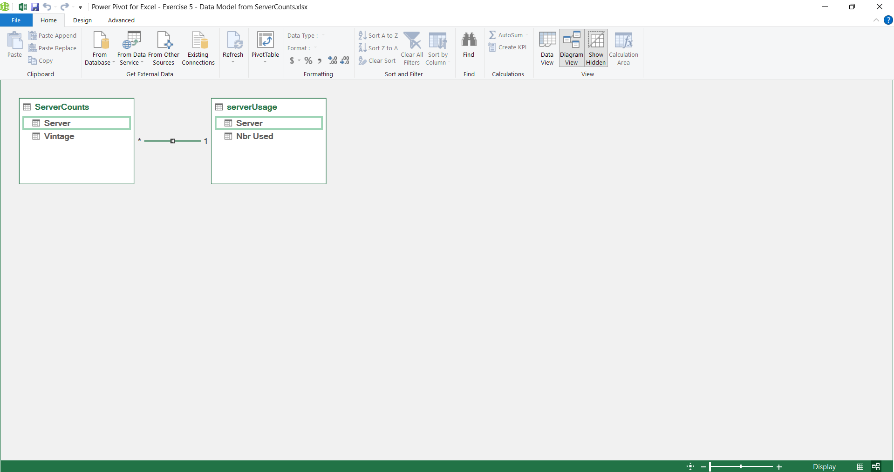
Server | Vintage | Server | Nbr Used
ST550 | 4 | S922 | 12
S922 | 6 | S924 | 8
S924 | 5 | E980 | 6
SR590 | 6 | ST550 | 5
S922 | 1 | SR590 | 1
ST550 | 6 | SR570 | 4
E980 | 6
S924 | 2
ST550 | 3
SR590 | 4
SR570 | 3
ST550 | 2

S922 | 5
ST550 | 6
E980 | 2
SR570 | 1
ST550 | 6
ST550 | 2
E980 | 4
SR590 | 5
S924 | 5
ST550 | 2
SR570 | 4
SR570 | 5
SR590 | 3
S922 | 3
S924 | 6
S924 | 4
SR590 | 2
SR590 | 1
E980 | 5
SR570 | 6
S924 | 1
E980 | 5
ST550 | 4
SR570 | 1
E980 | 3
SR570 | 4
E980 | 4
ST550 | 1
E980 | 1
E980 | 5
E980 | 2
E980 | 6
S924 | 2
S922 | 4
ST550 | 1
SR570 | 3
S924 | 4
SR590 | 1
SR590 | 3
S922 | 5
ST550 | 4
S922 | 6
SR590 | 4
E980 | 2
SR570 | 1
ST550 | 6
SR570 | 1
SR590 | 2
ST550 | 5
S922 | 1
ST550 | 3
S922 | 5
SR570 | 4
E980 | 4
SR570 | 2
S922 | 5
S924 | 5
S922 | 2
S924 | 5
S924 | 3
E980 | 4
E980 | 40

